two-way data tables
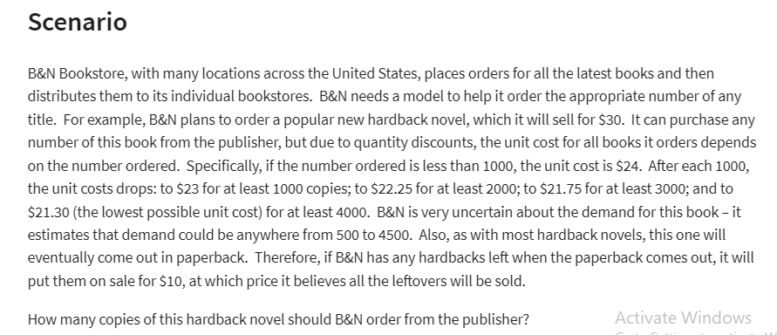
B&N SHIRTS CO.

regular price | $30.00
reduced price | $10.00 |  | ordered | costs
 |  |  | 0 | $24.00
 |  |  | 1000 | $23.00
Demand | 4500 | (500_4500) | 2000 | $22.25
Ordered | 2500 |  | 3000 | $21.75
 |  |  | 4000 | $21.30
Surplus | 2000 | =MAX(B7-B8;0)
Surplus | 0 | =IF(B7>B8;0;B8-B7)

costs | $55,625

revenue | $95,000

profit | $39,375
 |  |  | $39,375 | 500 | 1000 | 1500 | 2000 | 2500 | 3000 | 3500 | 4000 | 4500
 |  |  | 500 | 3000 | 8000 | 13000 | 18000 | 23000 | 28000 | 33000 | 38000 | 43000
 |  |  | 1000 | -8000 | 7000 | 12000 | 17000 | 22000 | 27000 | 32000 | 37000 | 42000
 |  |  | 1500 | -19500 | -4500 | 10500 | 15500 | 20500 | 25500 | 30500 | 35500 | 40500
 |  |  | 2000 | -29500 | -14500 | 500 | 15500 | 20500 | 25500 | 30500 | 35500 | 40500
 |  |  | 2500 | -40625 | -25625 | -10625 | 4375 | 19375 | 24375 | 29375 | 34375 | 39375
 |  |  | 3000 | -50250 | -35250 | -20250 | -5250 | 9750 | 24750 | 29750 | 34750 | 39750
 |  |  | 3500 | -61125 | -46125 | -31125 | -16125 | -1125 | 13875 | 28875 | 33875 | 38875
 |  |  | 4000 | -70200 | -55200 | -40200 | -25200 | -10200 | 4800 | 19800 | 34800 | 39800
 |  |  | 4500 | -80850 | -65850 | -50850 | -35850 | -20850 | -5850 | 9150 | 24150 | 39150

complex data table
THE 19TH HOLE

Month | Price | Demand (00s)
1 | 450 | 45
2 | 300 | 103
3 | 440 | 49
4 | 360 | 86
5 | 290 | 125
6 | 450 | 52
7 | 340 | 87
8 | 370 | 68
9 | 500 | 45
10 | 490 | 44
11 | 430 | 58
12 | 390 | 68

Linear Y=mx+p |  | Power y=ax^b |  | Exponential Y=ae^(bx)
intercipt(p) | 211.31 | constant(a) | 5871064 | constant(a) | 466.51
slope(m) | -0.3546 | exponent(b) | -1.908 | exponent(b) | -0.005

Prediction based on model |  |  |  |  | Absolute percent error
Price | Linear | Power | Exponential | Demand (00s) | Linear | Power | Exponential
450 | $51.7 | $50.9 | $49.2 | 45 | 15.0% | 13.0% | 9.3%
300 | $104.9 | $110.2 | $104.1 | 103 | 1.9% | 7.0% | 1.1%
440 | $55.3 | $53.1 | $51.7 | 49 | 12.8% | 8.3% | 5.5%
360 | $83.7 | $77.9 | $77.1 | 86 | 2.7% | 9.5% | 10.3%
290 | $108.5 | $117.6 | $109.4 | 125 | 13.2% | 5.9% | 12.5%
450 | $51.7 | $50.9 | $49.2 | 52 | 0.5% | 2.2% | 5.4%
340 | $90.7 | $86.8 | $85.2 | 87 | 4.3% | 0.2% | 2.0%
370 | $80.1 | $73.9 | $73.4 | 68 | 17.8% | 8.7% | 7.9%
500 | $34.0 | $41.6 | $38.3 | 45 | 24.4% | 7.6% | 14.9%
490 | $37.6 | $43.2 | $40.3 | 44 | 14.6% | 1.7% | 8.5%
430 | $58.8 | $55.5 | $54.3 | 58 | 1.4% | 4.4% | 6.3%
390 | $73.0 | $66.8 | $66.4 | 68 | 7.4% | 1.7% | 2.4%
 |  |  |  | Average | 9.7% | 5.9% | 7.2%

Model the business
Unit cost | $250 | per set of clubs
Sale price | 1000 | (any number multiple of 10)
Demand(00s) | 11 | From the power model |  | =D19*B41^D20
Actual dimands | 1108

Cost | $277,113 |  |  | =B43*B40
Revenue | $1,108,452 |  |  | =B43*B41
Profit | $831,339 |  |  | =B46-B45

Sale price study(Using Data Table) |  |  |  |  |  | Unit cost study(Using Data Table)

Price | Profit |  |  |  |  | Unit cost
 | $831,339 |  |  |  | $831,339 | $250.00 | $300.00 | $350.00 | $400.00 | $450.00 | $500.00 | $550.00
$260 | $144,860 |  |  | Demand | $260.00 | $144,859.7 | $-579,438.9 | $-1,303,737.6 | $-2,028,036.2 | $-2,752,334.8 | $-3,476,633.5 | $-4,200,932.1
$280 | $377,277 |  |  |  | $280.00 | $377,277.2 | $-251,518.1 | $-880,313.4 | $-1,509,108.7 | $-2,137,904.1 | $-2,766,699.4 | $-3,395,494.7
$300 | $551,238 |  |  |  | $300.00 | $551,238.4 | $- | $-551,238.4 | $-1,102,476.8 | $-1,653,715.2 | $-2,204,953.6 | $-2,756,192.0
$320 | $682,321 |  |  |  | $320.00 | $682,320.9 | $194,948.8 | $-292,423.3 | $-779,795.4 | $-1,267,167.4 | $-1,754,539.5 | $-2,241,911.6
$340 | $781,443 |  |  |  | $340.00 | $781,443.4 | $347,308.2 | $-86,827.0 | $-520,962.3 | $-955,097.5 | $-1,389,232.8 | $-1,823,368.0
$360 | $856,415 |  |  |  | $360.00 | $856,415.1 | $467,135.5 | $77,855.9 | $-311,423.7 | $-700,703.3 | $-1,089,982.9 | $-1,479,262.5
$380 | $912,921 |  |  |  | $380.00 | $912,920.7 | $561,797.4 | $210,674.0 | $-140,449.3 | $-491,572.7 | $-842,696.1 | $-1,193,819.4
$400 | $955,163 |  |  |  | $400.00 | $955,163.3 | $636,775.5 | $318,387.8 | $- | $-318,387.8 | $-636,775.5 | $-955,163.3
$420 | $986,293 |  |  |  | $420.00 | $986,293.3 | $696,207.0 | $406,120.8 | $116,034.5 | $-174,051.8 | $-464,138.0 | $-754,224.3
$440 | $1,008,702 |  |  |  | $440.00 | $1,008,701.6 | $743,253.8 | $477,806.0 | $212,358.2 | $-53,089.6 | $-318,537.3 | $-583,985.1
$460 | $1,024,222 |  |  |  | $460.00 | $1,024,222.2 | $780,359.7 | $536,497.3 | $292,634.9 | $48,772.5 | $-195,089.9 | $-438,952.4
$480 | $1,034,276 |  |  |  | $480.00 | $1,034,275.8 | $809,433.2 | $584,590.7 | $359,748.1 | $134,905.5 | $-89,937.0 | $-314,779.6
$500 | $1,039,973 |  |  |  | $500.00 | $1,039,973.0 | $831,978.4 | $623,983.8 | $415,989.2 | $207,994.6 | $- | $-207,994.6
$520 | $1,042,188 |  |  |  | $520.00 | $1,042,188.3 | $849,190.5 | $656,192.6 | $463,194.8 | $270,197.0 | $77,199.1 | $-115,798.7
$540 | $1,041,616 |  |  |  | $540.00 | $1,041,615.7 | $862,026.8 | $682,437.9 | $502,849.0 | $323,260.0 | $143,671.1 | $-35,917.8
$560 | $1,038,809 |  |  |  | $560.00 | $1,038,809.1 | $871,259.3 | $703,709.4 | $536,159.5 | $368,609.7 | $201,059.8 | $33,510.0
$580 | $1,034,213 |  |  |  | $580.00 | $1,034,213.4 | $877,514.4 | $720,815.4 | $564,116.4 | $407,417.4 | $250,718.4 | $94,019.4
$600 | $1,028,187 |  |  |  | $600.00 | $1,028,187.4 | $881,303.5 | $734,419.6 | $587,535.7 | $440,651.7 | $293,767.8 | $146,883.9
 |  |  |  |  | $620.00 | $1,021,022.2 | $883,046.2 | $745,070.3 | $607,094.3 | $469,118.3 | $331,142.3 | $193,166.4
Summary Sentence |  |  |  |  | $640.00 | $1,012,954.7 | $883,088.7 | $753,222.7 | $623,356.7 | $493,490.8 | $363,624.8 | $233,758.8
Must sell at price of 520$ with a profit of 1,042,188$ |  |  |  |  | $660.00 | $1,004,178.3 | $881,717.6 | $759,256.8 | $636,796.0 | $514,335.2 | $391,874.5 | $269,413.7
 |  |  |  |  | $680.00 | $994,851.5 | $879,171.1 | $763,490.7 | $647,810.3 | $532,129.9 | $416,449.5 | $300,769.1
 |  |  |  |  | $700.00 | $985,104.4 | $875,648.4 | $766,192.3 | $656,736.3 | $547,280.2 | $437,824.2 | $328,368.1
 |  |  |  |  | $720.00 | $975,044.1 | $871,316.0 | $767,587.9 | $663,859.8 | $560,131.7 | $456,403.6 | $352,675.5
 |  |  |  |  | $740.00 | $964,758.9 | $866,314.1 | $767,869.3 | $669,424.5 | $570,979.7 | $472,534.9 | $374,090.2
 |  |  |  |  | $760.00 | $954,321.4 | $860,760.5 | $767,199.5 | $673,638.6 | $580,077.7 | $486,516.8 | $392,955.9
 |  |  |  |  | $780.00 | $943,791.8 | $854,754.8 | $765,717.8 | $676,680.9 | $587,643.9 | $498,607.0 | $409,570.0
 |  |  |  |  | $800.00 | $933,219.5 | $848,381.4 | $763,543.2 | $678,705.1 | $593,867.0 | $509,028.8 | $424,190.7
 |  |  |  |  | $820.00 | $922,645.4 | $841,711.6 | $760,777.8 | $679,844.0 | $598,910.2 | $517,976.4 | $437,042.6
 |  |  |  |  | $840.00 | $912,103.1 | $834,806.3 | $757,509.4 | $680,212.5 | $602,915.6 | $525,618.8 | $448,321.9
 |  |  |  |  | $860.00 | $901,620.1 | $827,716.9 | $753,813.6 | $679,910.3 | $606,007.0 | $532,103.7 | $458,200.4
 |  |  |  |  | $880.00 | $891,219.0 | $820,487.3 | $749,755.6 | $679,024.0 | $608,292.3 | $537,560.7 | $466,829.0
 |  |  |  |  | $900.00 | $880,918.0 | $813,155.0 | $745,392.1 | $677,629.2 | $609,866.3 | $542,103.4 | $474,340.4
 |  |  |  |  | $920.00 | $870,731.9 | $805,751.9 | $740,771.9 | $675,791.9 | $610,811.9 | $545,831.9 | $480,851.9
 |  |  |  |  | $940.00 | $860,672.6 | $798,305.0 | $735,937.4 | $673,569.8 | $611,202.3 | $548,834.7 | $486,467.1
 |  |  |  |  | $960.00 | $850,749.4 | $790,837.5 | $730,925.5 | $671,013.6 | $611,101.7 | $551,189.8 | $491,277.8
 |  |  |  |  | $980.00 | $840,969.6 | $783,369.0 | $725,768.3 | $668,167.7 | $610,567.0 | $552,966.3 | $495,365.7
 |  |  |  |  | $1,000.00 | $831,338.9 | $775,916.3 | $720,493.7 | $665,071.1 | $609,648.5 | $554,225.9 | $498,803.3
 |  |  |  |  | $1,020.00 | $821,861.1 | $768,493.5 | $715,125.9 | $661,758.3 | $608,390.7 | $555,023.1 | $501,655.5
 |  |  |  |  | $1,040.00 | $812,539.1 | $761,112.6 | $709,686.1 | $658,259.6 | $606,833.0 | $555,406.5 | $503,980.0
 |  |  |  |  | $1,060.00 | $803,374.9 | $753,783.8 | $704,192.8 | $654,601.7 | $605,010.7 | $555,419.7 | $505,828.6
 |  |  |  |  | $1,080.00 | $794,369.2 | $746,515.6 | $698,662.0 | $650,808.5 | $602,954.9 | $555,101.3 | $507,247.8
 |  |  |  |  | $1,100.00 | $785,522.3 | $739,315.1 | $693,107.9 | $646,900.7 | $600,693.5 | $554,486.3 | $508,279.1

Linear Programing
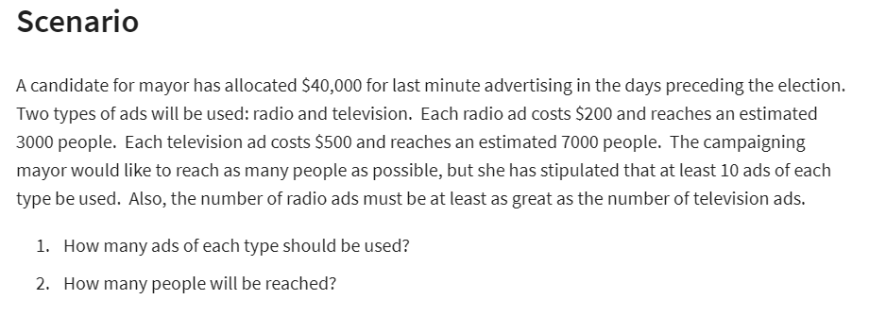
Campaign Marketing

 | No. of Radio ads | No. of TV ads
Variables | 175 | 10
people | 3000 | 7000

Objective: (max)
No of people reached | 595,000 | (using solver)

Constant table |  |  | LHS | Sign | RHS | (LHS formula)
Budget | 200 | 500 | 40000 | <= | 40000 | =SUMPRODUCT($B$5:$C$5;B14:C14)
at least 10 Radio | 1 |  | 175 | >= | 10 | =SUMPRODUCT($B$5:$C$5;B15:C15)
at least 10 TV |  | 1 | 10 | >= | 10 | =SUMPRODUCT($B$5:$C$5;B16:C16)
Radio >= TV | 1 | -1 | 165 | >= | 0 | =SUMPRODUCT($B$5:$C$5;B17:C17)

Summary Sentence
Purchase 175 Radio ads, 10 TV to reach a maximum of 595,000 people.

LP 2
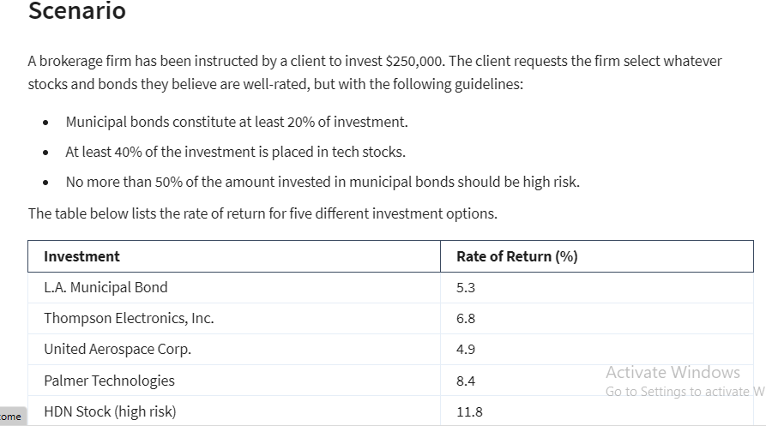
Brokerage Firm

Variables | X1 | X2 | X3 | X4 | X5
 | $50,000 | $- | $- | $125,000 | $75,000 | <-dummy numbers
 | 5.30% | 6.80% | 4.90% | 8.40% | 11.80%
 |  | (tech) | (tech) | (tech)

Objective(MAX)
Actual return | $22,000.00 | (using solver)

Constraints | X1 | X2 | X3 | X4 | X5 | LHS | Sign | RHS
Budget | 1 | 1 | 1 | 1 | 1 | 250000 | <= | 250000
Muni 20% | 1 |  |  |  |  | 50000 | >= | 50000
40% in tech |  | 1 | 1 | 1 |  | 125000 | >= | 50000
no more 50% in high resk | -50% |  |  |  | 1 | 50000 | <= | 50000

Summary Sentence
Invest 50K in L.A Municipal Bond and 125K in Palmer Technologies and 75K in HDN Stock.

Binary Ex.
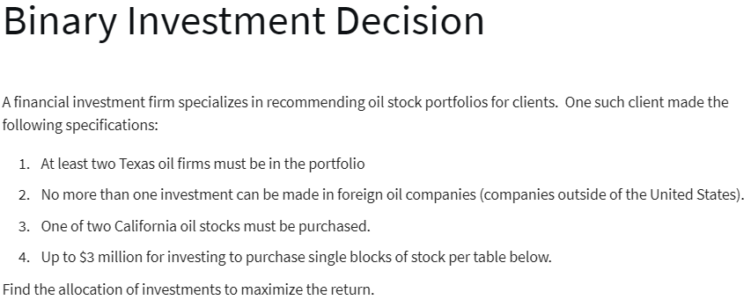
Oil Stoks CO. |  |  |  |  |  | Binary = (0,1)
 |  |  |  |  |  | 0 = No | 1 = Yes

Name | Expected Annual Return ($1000) | Cost for Block of Shares ($1000)
Trans-Texas Oil | 50 | 480 | <-- Texas
British Petroleum (BP) | 80 | 540 | <-- Foreign
Dutch Shell | 90 | 680 | <-- Foreign
Houston Drilling | 120 | 1000 | <-- Texas
Texas Petroleum | 110 | 700 | <- Texas
San Diego Oil | 40 | 510 | <- California
California Petro. | 75 | 900 | <- California

Variables | X1 | X2 | X3 | X4 | X5 | X6 | X7
(0;1) | 0 | 0 | 1 | 1 | 1 | 1 | 0
 | 50 | 80 | 90 | 120 | 110 | 40 | 75 | (000s)

Objective(Max)
Return | 360 | =SUMPRODUCT(B15:H15;B16:H16)

Cconstraints |  |  |  |  |  |  |  | LHS | Sign | RHS
at lest 2 Texas | 1 |  |  | 1 | 1 |  |  | 2 | >= | 2
no more than 1 foreign |  | 1 | 1 |  |  |  |  | 1 | <= | 1
one of two California |  |  |  |  |  | 1 | 1 | 1 | = | 1
Budget | 480 | 540 | 680 | 1000 | 700 | 510 | 900 | 2890 | <= | 3000

Summary Sentence
purchase "Dutch Shell,Houston Drilling,Texas Petrolrum,San Diego Oil"
for return of $360,000

NonLinear
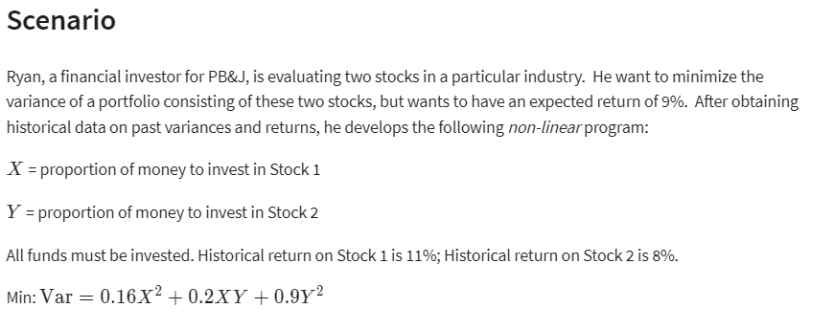
nonlinear programming

 | X | Y
 | 93% | 7%

non linear variables: |  | X^2 | XY | Y^2
 |  | 0.86533261122 | 0.064899950101 | 0.004867496577
formulas |  | =B5^2 | =B5*C5 | =C5^2
coefficient |  | 0.16 | 0.2 | 0.9

objective(min)
variance | 0.156 | =SUMPRODUCT(C8:E8;C10:E10)

Constraints |  |  | LHS | Sign | RHS
all funds invested | 1 | 1 | 1.000000004 | = | 100% | =SUMPRODUCT($B$5:$C$5;B17:C17)
expected return 9% | 11% | 8% | 0.10790697705 | >= | 9% | =SUMPRODUCT($B$5:$C$5;B18:C18)

Summary Sentence
Must invest 93% in Stock 1 and 7% in Stock 2
to minimize variance to 15,6%

